Sheet1
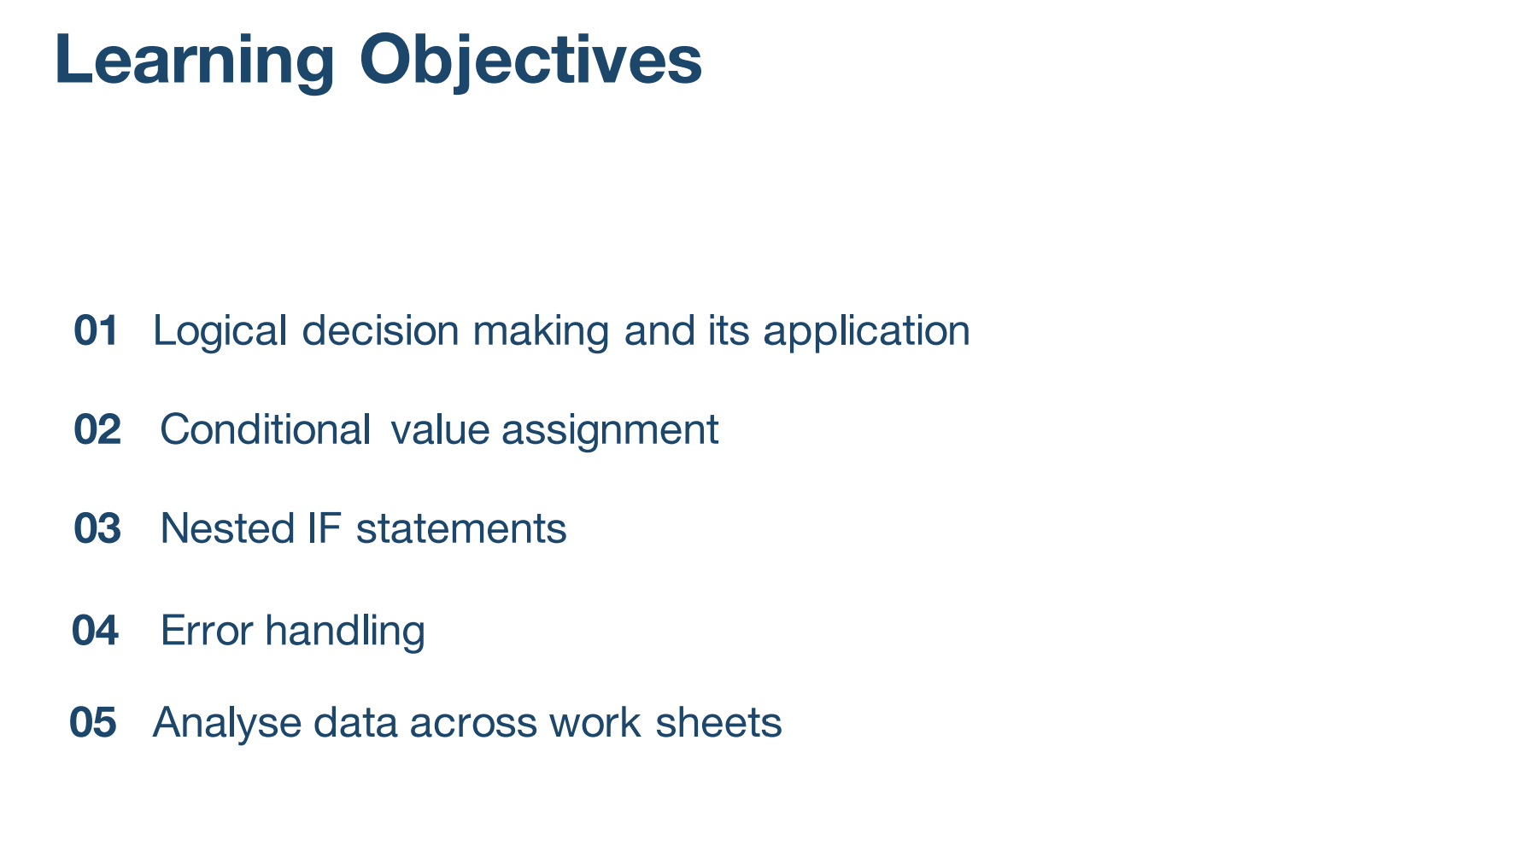

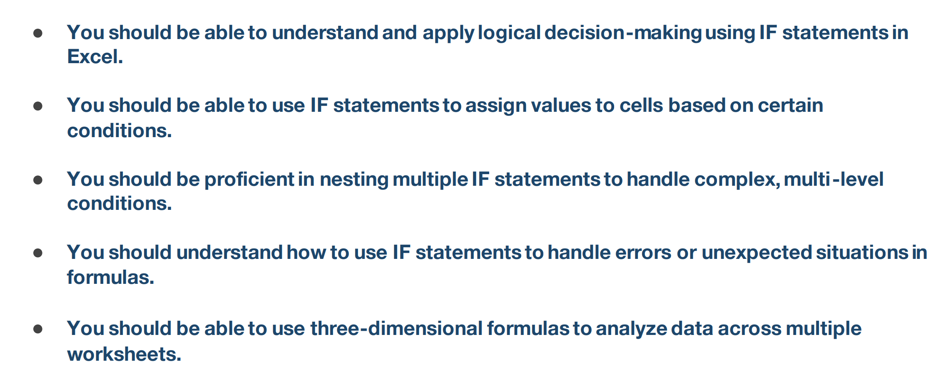

Conditional Functions
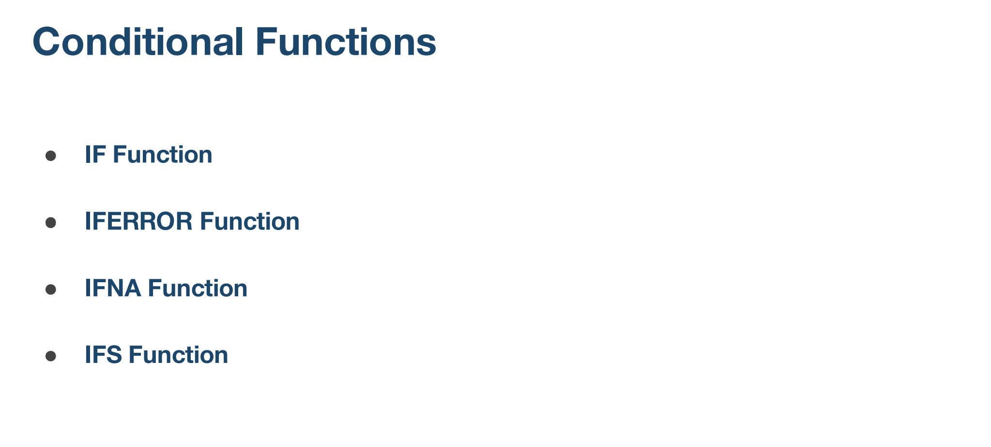

IF Function
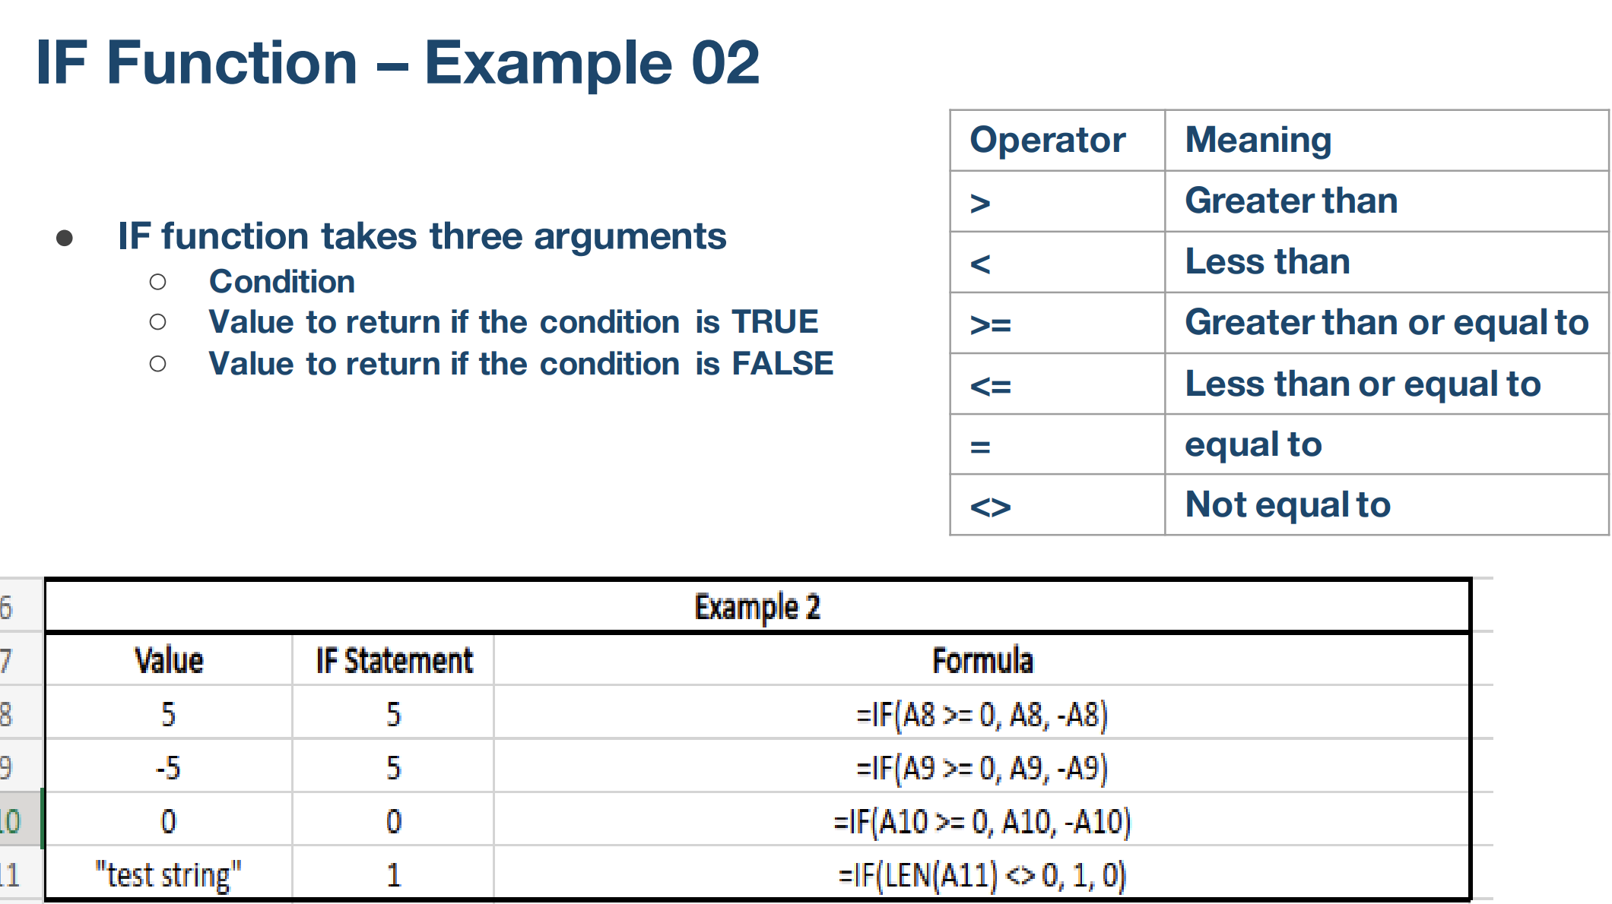
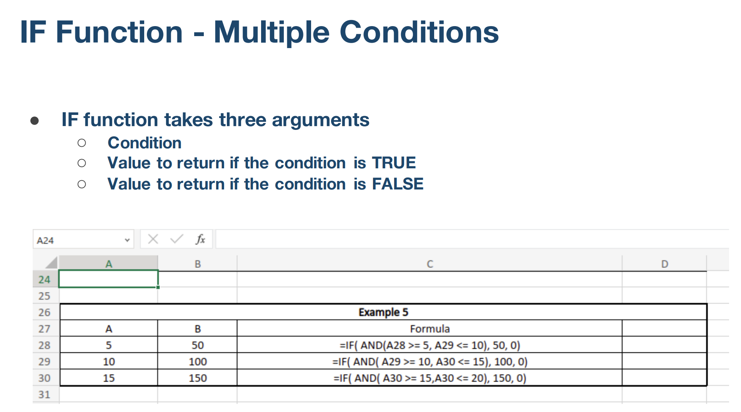
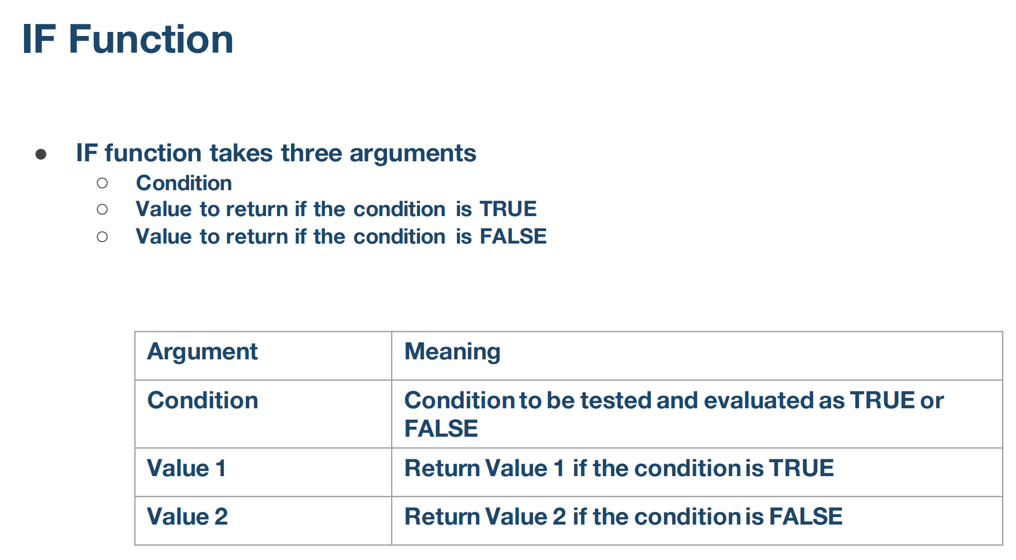

Example 1 |  |  |  | Example 3
Value | IF Statement | Formula |  | cutoff |  | price
5 | Positive | =IF(A12<0,"Negative","Positive") |  | 500 | cutoff1 | $3.00 | price1
-2 | Negative | =IF(A13<0,"Negative","Positive") |  | 1200 | cutoff2 | $2.70 | price2
 |  |  |  | 2000 | cutoff3 | $2.30 | price3
Example 2 |  |  |  |  |  | $2.00 | price4
Value | IF Statement | Formula
5 | 5 | =IF(A17>=0,A17,-A17)
-5 | 5 | =IF(A17>=0,A17,-A17) |  | order quantity | cost | per unit cost
0 | 0 | =IF(A17>=0,A17,-A17) |  | 450
"test string" | 1 | =IF(LEN(A20)<>0,1,0) |  | 900
13 | =LEN(A20) |  |  | 1450
 |  |  |  | 2100
Nested IF Structure Example 4
 | Cutoff | Price
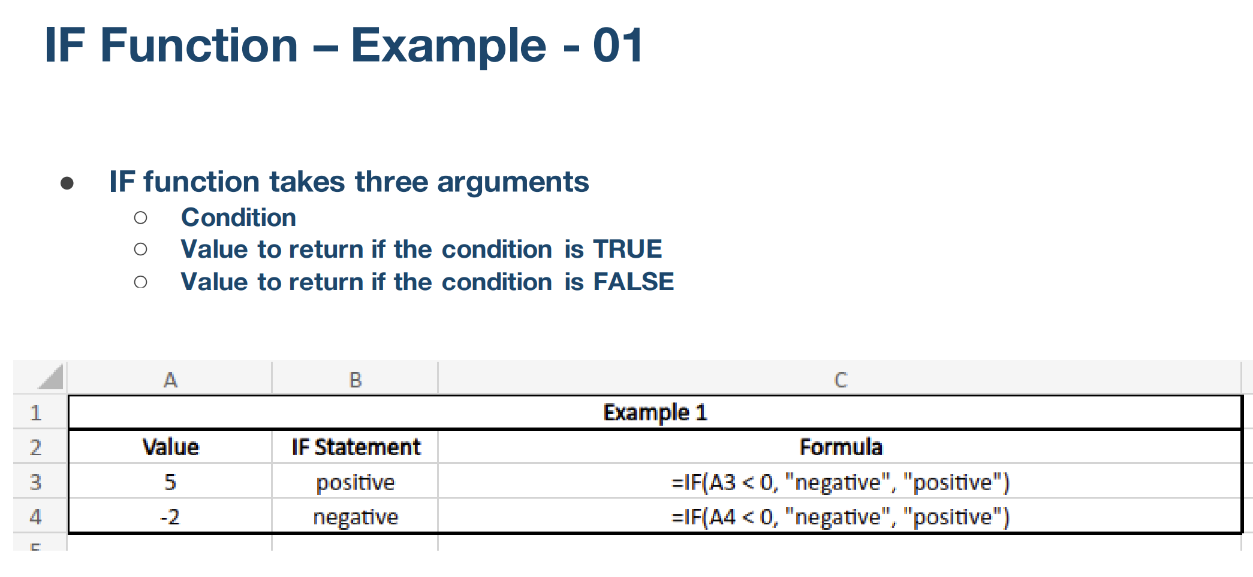
quantity1 | 500 | 3 | cost1
quantity2 | 1200 | 2.7 | cost2
 |  | 2.5 | cost3

Ordered quantity
450 |  | 1350 | =IF(A30<B25,C25*A30,IF(A30<B26,C26*A30,C27*A30))
501 |  | 1352.7
1201 |  | 3002.5

Example 5
A | B | IF AND condition | Formula
5 | 50 | 0 | =IF(AND(A37>5,B37<10),50,0)
10 | 100 | True | =IF(AND(A38>6,B38<150),"True","False")
15 | 500 | False | =IF(AND(A39>6,B39<150),"True","False")

Nested IF Function
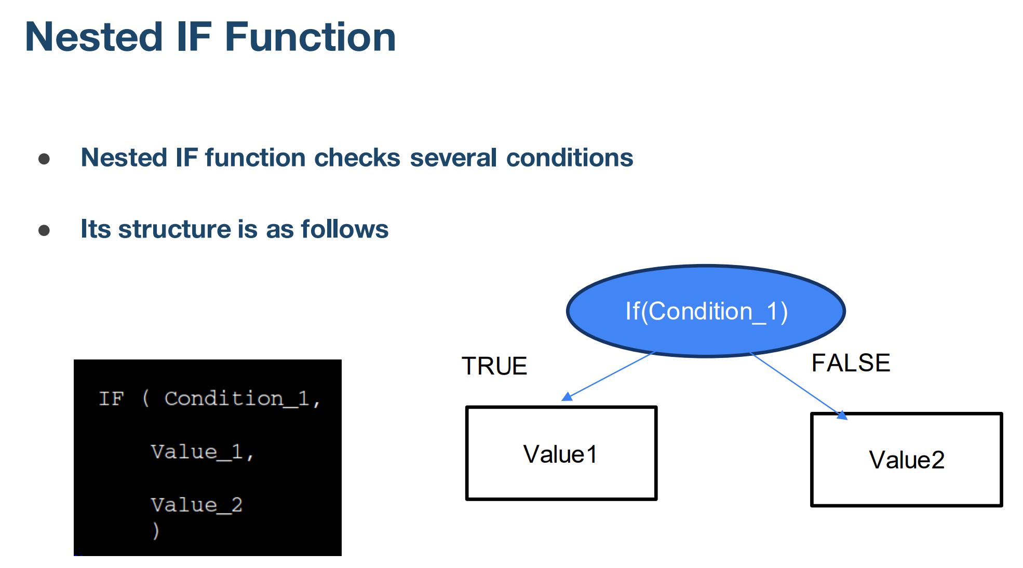

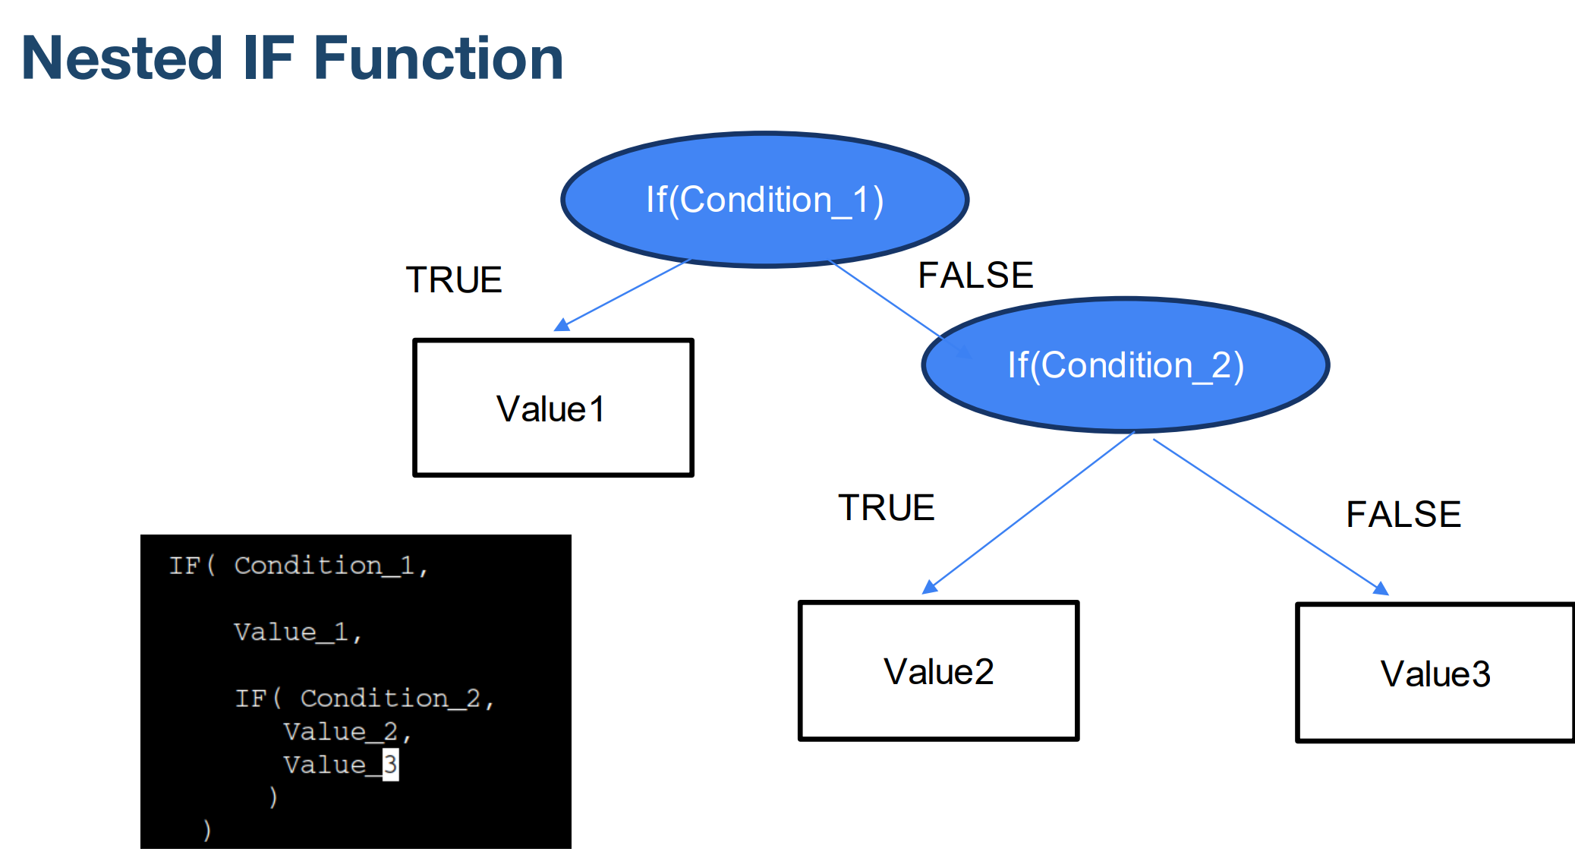

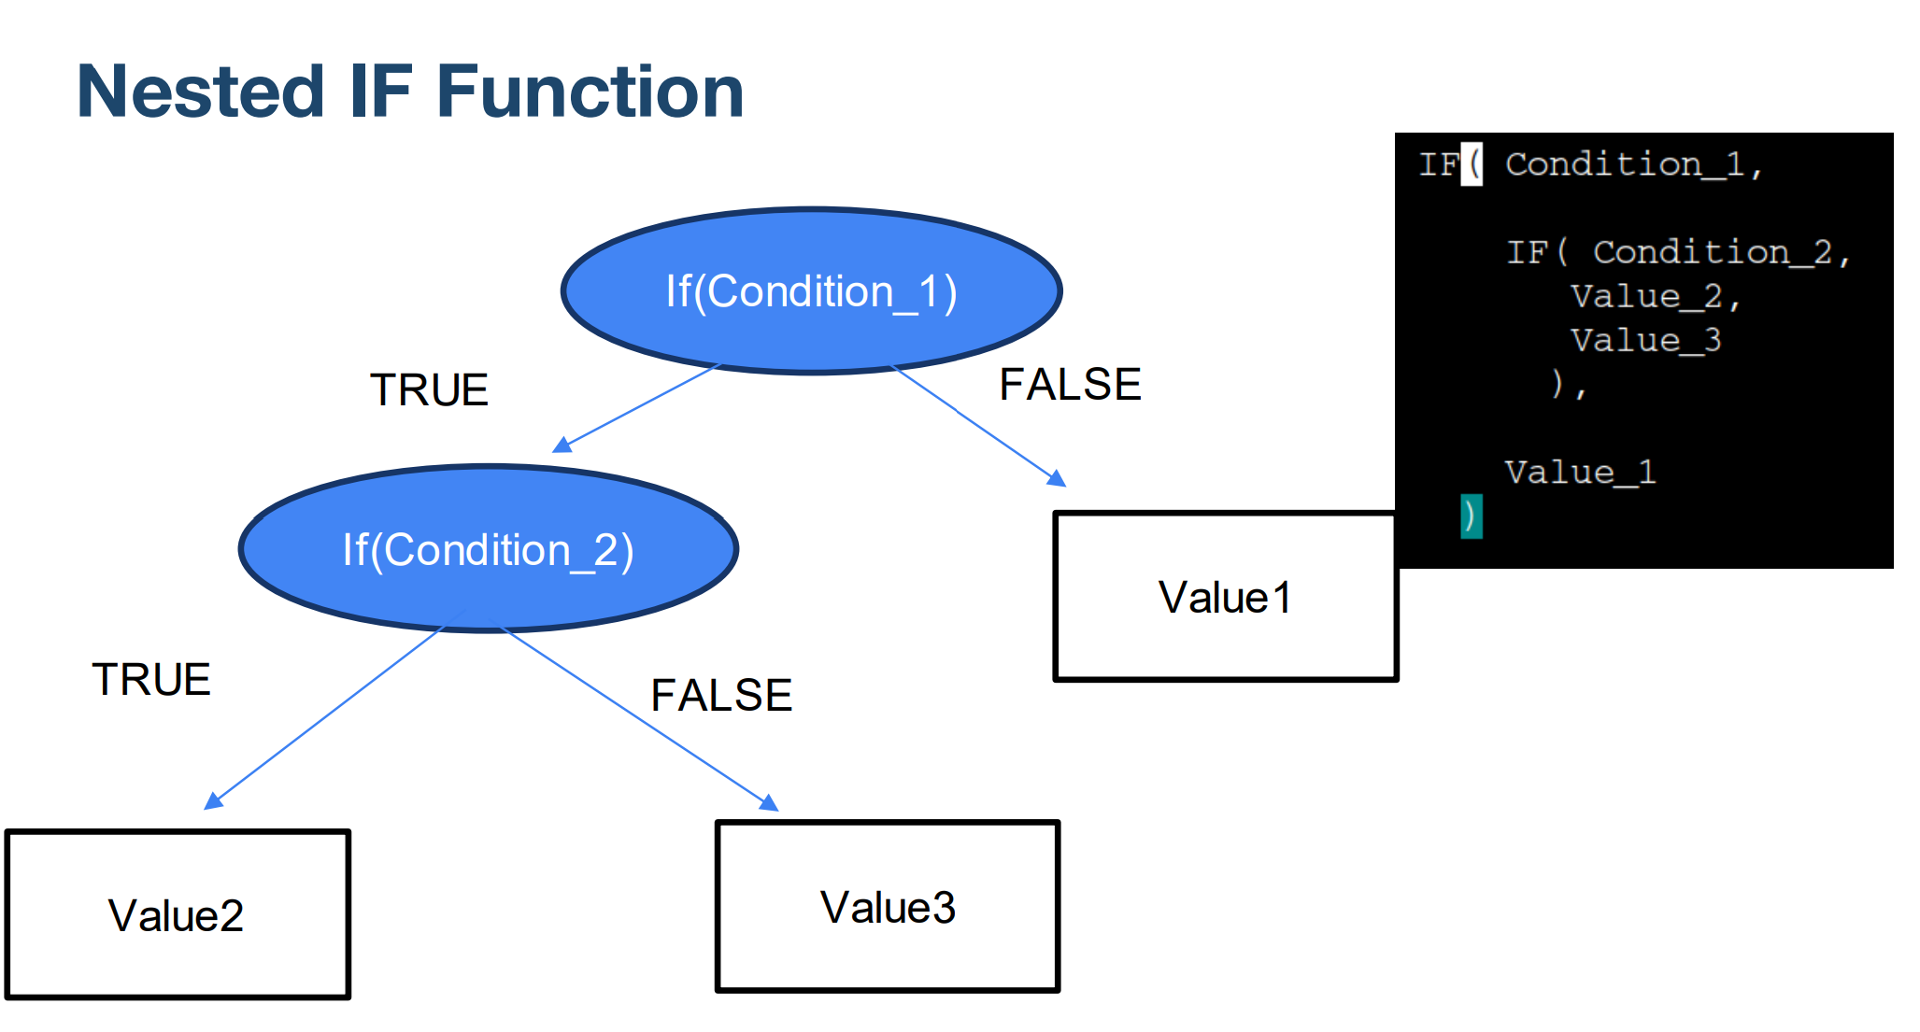

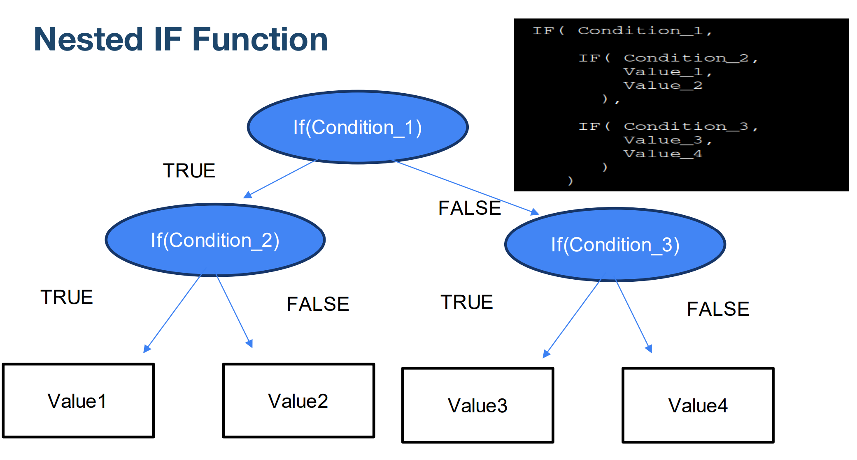

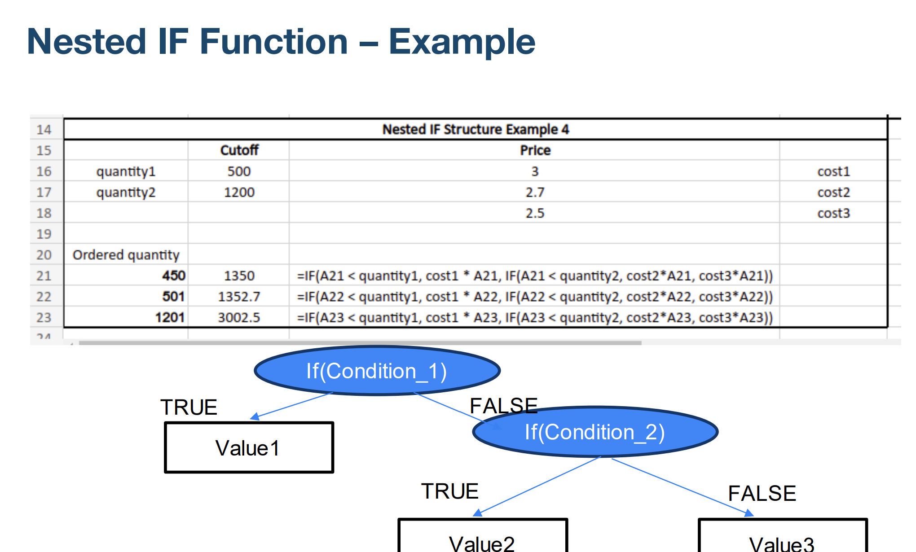

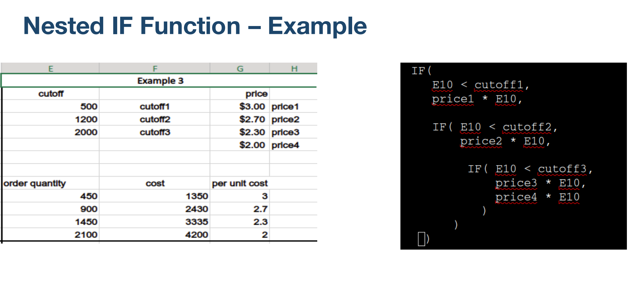

Basics Analysis Involving IF Fu
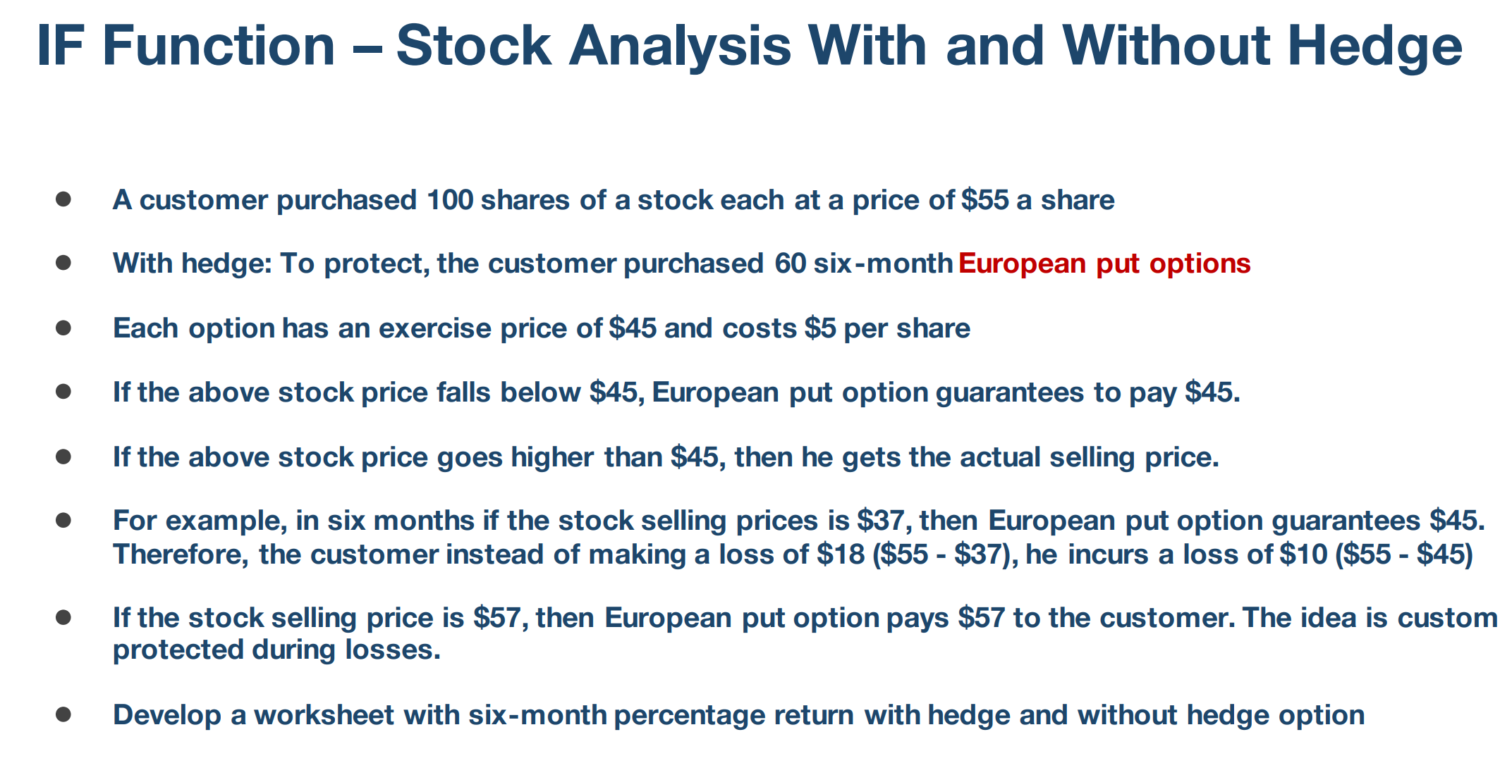

 |  |  |  |  | Numberof shares | 100
 |  |  |  |  | PurchasedPriceShares | 55

current price per staock | share value wihout put option | share value with put option | percentage return hedged | percentage return not hedged
$20.00 | 2000 | 3500
$25.00 | 2500 | 3700
$30.00 | 3000 | 3900
$35.00 | 3500 | 4100
$40.00 | 4000 | 4300
$45.00 | 4500 | 4500
$50.00 | 5000 | 5000
$55.00 | 5500 | 5500
$60.00 | 6000 | 6000
$65.00 | 6500 | 6500

IFERROR
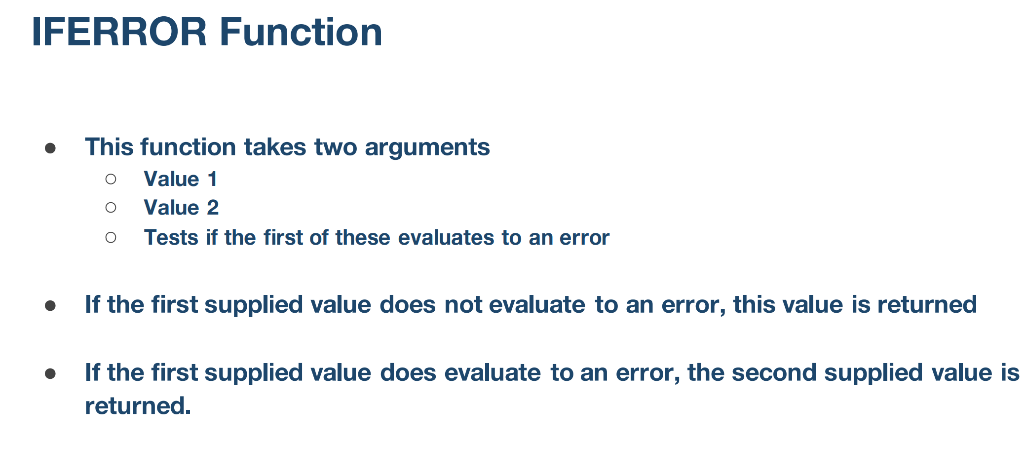

Example 1
1 | 2 | 0.5 | =IFERROR(A32/B32,0)
1 | 0 | 0

Lookup List |  |  | Name | Class | Formula
Name | Class |  | Ajanta | 3 | =IFERROR(VLOOKUP(D37,A38:B46,2,FALSE),"Not Available")
Arjun | 1 |  | Anak | Not Available
Arya | 2 |  | Arpan | Not Available
Ajanta | 3 |  | Abhiram | 3
Archana | 4 |  | Alpana | 3
Achyut | 2
Abhiram | 3 |  |  | matching name and class
Akash | 4
Abhimanyu | 1
Alpana | 3

IFS Function


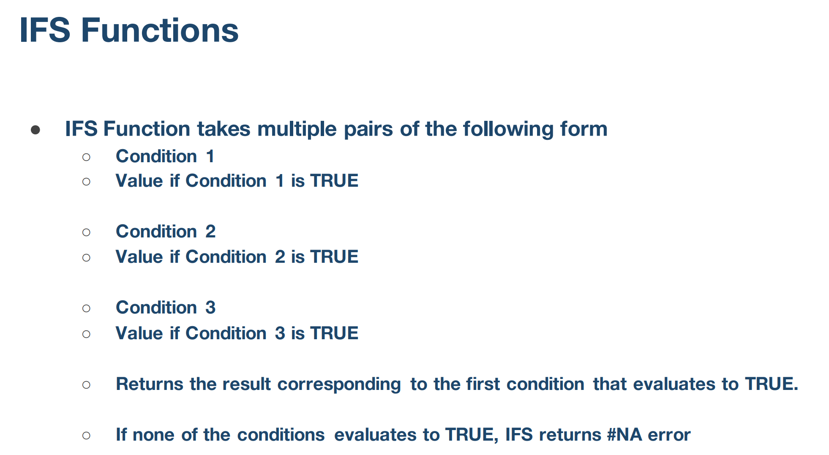

Example 3
cutoff |  | price
500 | cutoff1 | $3.00 | price1
1200 | cutoff2 | $2.70 | price2
2000 | cutoff3 | $2.30 | price3
 |  | $2.00 | price4

order quantity | cost | per unit cost
450
900
1450
2100

Three Dimensional Formulas
